Readme
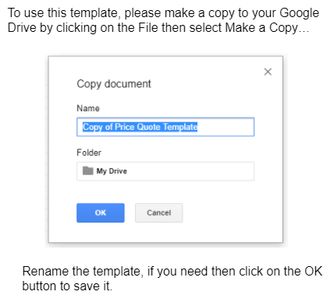
To access this file: Go to File > Make a Copy > Save to your drive

